Huile Moteur
Huile Moteur
 |  |  |  |  |  |  |  |  |  |  |  |  |  |  |  | WWW.EUROREPAR.COM
Conditionnement 20 litres disponible courant 1er trimestre 2026

Produit | Grade | Volume | REFERENCES DFS | ACEA | API | Stellantis Approval | Opel Approval | Ms* VW | Ms* Renault | Ms* MB | Ms* BMW | Ms* Volvo | Ms* Ford Jaguar Land Rover | Ms* Porsche | Ms* Asian brands | Fully retro compatible | Old DFS P/N | Old Stocked P/N
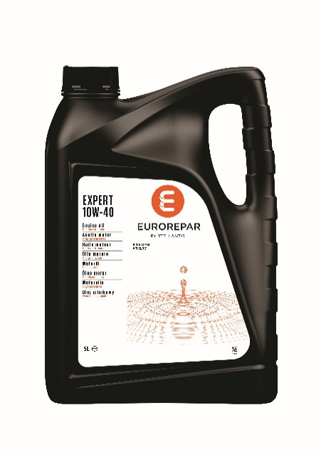 EUROREPAR EXPERT | 10W40 | 1 | 6503207880 | A3 B4 | SL CF | - | - | - | RN 0700 | 229.1 | - | - | - | - | - | PSA B71 2310 | 1690919080 | 1690919580
 |  | 5 | 6503207980 | A3 B4 | SL CF | - | - | - | RN 0700 | 229.1 | - | - | - | - | - | PSA B71 2310 | 1690919180 | 1690919680
 |  | 20 | 6503208080 | A3 B4 | SL CF | - | - | - | RN 0700 | 229.1 | - | - | - | - | - | PSA B71 2310 | 1690919280 | DFS-only
 |  | 60 | 6503208180 | A3 B4 | SL CF | - | - | - | RN 0700 | 229.1 | - | - | - | - | - | PSA B71 2310 | 1690919380 | 1690919880
 |  | 208 | 6503208280 | A3 B4 | SL CF | - | - | - | RN 0700 | 229.1 | - | - | - | - | - | PSA B71 2310 | 1690919480 | 1690919980
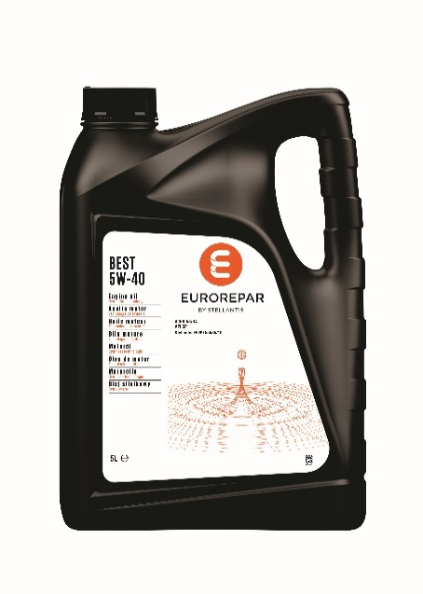 EUROREPAR BEST | 5W40 | 1 | 6503208380 | A3 B4 | SP | FPW9.55535/10 | - | 502.00 505.00 | RN 0710 | 229.5 | - | - | - | A40 | - | FIAT 9.55535-M2/N2/Z2 PSA B71 2296 | 1635767080 | 1635764080
 |  | 5 | 6503208480 | A3 B4 | SP | FPW9.55535/10 | - | 502.00 505.00 | RN 0710 | 229.5 | - | - | - | A40 | - | FIAT 9.55535-M2/N2/Z2 PSA B71 2296 | 1635767180 | 1635764180
 |  | 20 | 6503208580 | A3 B4 | SP | FPW9.55535/10 | - | 502.00 505.00 | RN 0710 | 229.5 | - | - | - | A40 | - | FIAT 9.55535-M2/N2/Z2 PSA B71 2296 | 1691390980 | DFS-only
 |  | 60 | 6503208680 | A3 B4 | SP | FPW9.55535/10 | - | 502.00 505.00 | RN 0710 | 229.5 | - | - | - | A40 | - | FIAT 9.55535-M2/N2/Z2 PSA B71 2296 | 1635767280 | 1635764280
 |  | 208 | 6503208780 | A3 B4 | SP | FPW9.55535/10 | - | 502.00 505.00 | RN 0710 | 229.5 | - | - | - | A40 | - | FIAT 9.55535-M2/N2/Z2 PSA B71 2296 | 1635767380 | 1635764380
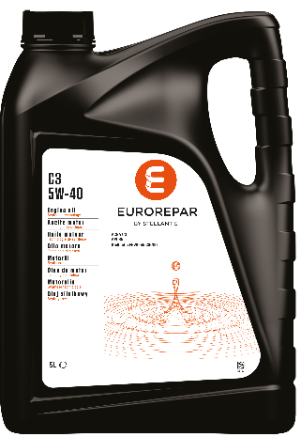 EUROREPAR C3 | 5W40 | 5 | 6503208880 | C3 | SN | FPW9.55535/09 | - | 505.00 505.01 | - | - | - | - | - | - | - | FIAT 9.55535-GH2/S2/T2 | 1691390780 | 1691390880
EUROREPAR PREMIUM C2 | 5W30 | 1 | 6503208980 | C2 | - | B71 2290 | - | - | - | - | - | - | - | - | - | PSA B71 2290 | 1635767480 | 1635764480
 |  | 5 | 6503209080 | C2 | - | B71 2290 | - | - | - | - | - | - | - | - | - | PSA B71 2290 | 1635767580 | 1635764580
 |  | 20 | 6503209180 | C2 | - | B71 2290 | - | - | - | - | - | - | - | - | - | PSA B71 2290 | 1691391080 | DFS-only
 |  | 60 | 6503209280 | C2 | - | B71 2290 | - | - | - | - | - | - | - | - | - | PSA B71 2290 | 1635767680 | 1635764680
 |  | 208 | 6503209380 | C2 | - | B71 2290 | - | - | - | - | - | - | - | - | - | PSA B71 2290 | 1635767780 | 1635764780
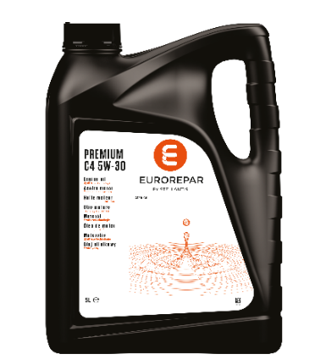 EUROREPAR PREMIUM C4 | 5W30 | 1 | 6503209980 | C4 | - | - |  | - | RN 0720 | 226.51 | - | - | - | - | - | FIAT 9.55535-S4 | 1635768680 | 1635765680
 |  | 5 | 6503210080 | C4 | - | - |  | - | RN 0720 | 226.51 | - | - | - | - | - | FIAT 9.55535-S4 | 1635768780 | 1635765780
 |  | 20 | 6503210180 | C4 | - | - |  | - | RN 0720 | 226.51 | - | - | - | - | - | FIAT 9.55535-S4 | 1691391180 | DFS-only
 |  | 60 | 6503210280 | C4 | - | - |  | - | RN 0720 | 226.51 | - | - | - | - | - | FIAT 9.55535-S4 | 1635768880 | 1635765880
 |  | 208 | 6503210380 | C4 | - | - |  | - | RN 0720 | 226.51 | - | - | - | - | - | FIAT 9.55535-S4 | 1635768980 | 1635765980
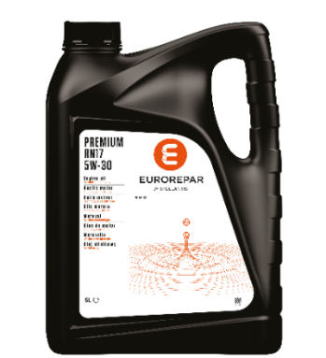 EUROREPAR PREMIUM RN17 | 5W30 | 5 | 6503211380 | C3 | - | - | - | - | RN 17 | - | - | - | - | - | - | - | 1682156680 | 1682156480
 |  | 20 | 6503211480 | C3 | - | - | - | - | RN 17 | - | - | - | - | - | - | - | 1691391580 | DFS-only
EUROREPAR PREMIUM A5/B5 | 5W30 | 1 | 6503210980 | A5 B5 | SL CF | - | - | - | - | - | - | - | WSS-M2C913-D | - | - | - | 1635769080 | 1635766080
 |  | 5 | 6503211080 | A5 B5 | SL CF | - | - | - | - | - | - | - | WSS-M2C913-D | - | - | - | 1635769180 | 1635766180
 |  | 60 | 6503211180 | A5 B5 | SL CF | - | - | - | - | - | - | - | WSS-M2C913-D | - | - | - | 1635769280 | 1635766280
 |  | 208 | 6503211280 | A5 B5 | SL CF | - | - | - | - | - | - | - | WSS-M2C913-D | - | - | - | 1635769380 | 1635766380
EUROREPAR PREMIUM SUN | 5W30 | 1 | 6503211580 | C3 | SP | FPW9.55535/03 | - | - | - | - | - | - | - | - | - | PSA B71 2290 OV 040 1547 - G30/D30 | Not applicable | Not applicable
 |  | 5 | 6503211680 | C3 | SP | FPW9.55535/03 | - | - | - | - | - | - | - | - | - | PSA B71 2290 OV 040 1547 - G30/D30 | 1699675480 | 1690921280
 |  | 20 | 6503211780 | C3 | SP | FPW9.55535/03 | - | - | - | - | - | - | - | - | - | PSA B71 2290 OV 040 1547 - G30/D30 | Not applicable | Not applicable
 |  | 60 | 6503211880 | C3 | SP | FPW9.55535/03 | - | - | - | - | - | - | - | - | - | PSA B71 2290 OV 040 1547 - G30/D30 | Not applicable | Not applicable
 |  | 208 | 6503211980 | C3 | SP | FPW9.55535/03 | - | - | - | - | - | - | - | - | - | PSA B71 2290 OV 040 1547 - G30/D30 | 1699675580 | 1690921380
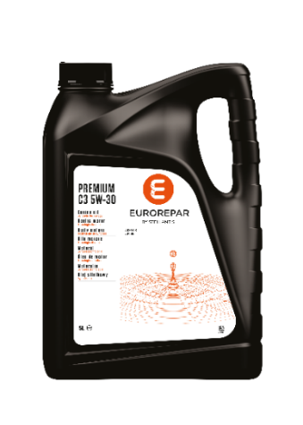 EUROREPAR PREMIUM C3 | 5W30 | 1 | 6503209480 | C3 | SN | - |  | 505.00 505.01 | - | 229.52 229.51 / .31 | - | - | - | - | - | - | 1635767880 | 1635764880
 |  | 5 | 6503209580 | C3 | SN | - |  | 505.00 505.01 | - | 229.52 229.51 / .31 | - | - | - | - | - | - | 1635767980 | 1635764980
 |  | 20 | 6503209680 | C3 | SN | - |  | 505.00 505.01 | - | 229.52 229.51 / .31 | - | - | - | - | - | - | 1691391380 | DFS-only
 |  | 60 | 6503209780 | C3 | SN | - |  | 505.00 505.01 | - | 229.52 229.51 / .31 | - | - | - | - | - | - | 1635768080 | 1635765080
 |  | 208 | 6503209880 | C3 | SN | - |  | 505.00 505.01 | - | 229.52 229.51 / .31 | - | - | - | - | - | - | 1635768180 | 1635765180
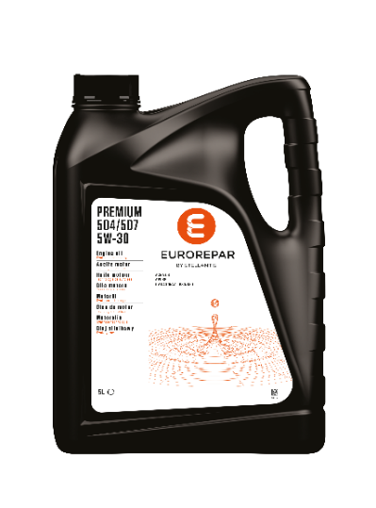 EUROREPAR PREMIUM 504/507 | 5W30 | 1 | 6503210480 | C3 | - | - | OV 040 1547 G30/D30 | 504.00 507.00 | - | 229.52 229.51 / .31 | LL-04 | - | - | C30 | - | - | 1635768280 | 1635765280
 |  | 5 | 6503210580 | C3 | - | - | OV 040 1547 G30/D30 | 504.00 507.00 | - | 229.52 229.51 / .31 | LL-04 | - | - | C30 | - | - | 1635768380 | 1635765380
 |  | 20 | 6503210680 | C3 | - | - | OV 040 1547 G30/D30 | 504.00 507.00 | - | 229.52 229.51 / .31 | LL-04 | - | - | C30 | - | - | 1691391480 | DFS-only
 |  | 60 | 6503210780 | C3 | - | - | OV 040 1547 G30/D30 | 504.00 507.00 | - | 229.52 229.51 / .31 | LL-04 | - | - | C30 | - | - | 1635768480 | 1635765480
 |  | 208 | 6503210880 | C3 | - | - | OV 040 1547 G30/D30 | 504.00 507.00 | - | 229.52 229.51 / .31 | LL-04 | - | - | C30 | - | - | 1635768580 | 1635765580
EUROREPAR PROTECT C2 | 0W30 | 1 | 6503212180 | C2 | - | FPW9.55535/02 |  | - | - | - | - | - | - | - | - | PSA B71 2312 FIAT 9.55535-DS1/GS1/DH1 | 1639369080 | 1639368680
 |  | 5 | 6503212280 | C2 | - | FPW9.55535/02 |  | - | - | - | - | - | - | - | - | PSA B71 2312 FIAT 9.55535-DS1/GS1/DH1 | 1639369180 | 1639368780
 |  | 20 | 6503212380 | C2 | - | FPW9.55535/02 |  | - | - | - | - | - | - | - | - | PSA B71 2312 FIAT 9.55535-DS1/GS1/DH1 | 1691391680 | DFS-only
 |  | 60 | 6503212480 | C2 | - | FPW9.55535/02 |  | - | - | - | - | - | - | - | - | PSA B71 2312 FIAT 9.55535-DS1/GS1/DH1 | 1639369280 | 1639368880
 |  | 208 | 6503212580 | C2 | - | FPW9.55535/02 |  | - | - | - | - | - | - | - | - | PSA B71 2312 FIAT 9.55535-DS1/GS1/DH1 | 1639369380 | 1639368980
EUROREPAR PREMIUM C5 | 5W20 | 5 | 6503212080 | C5 | SN | - |  | - | - | - | - | - | WSS-M2C948-B | - | - | - | 1690920480 | 1690921080
EUROREPAR PROTECT F950 | 0W30 | 5 | 6503212680 | C2 | SN | - |  | - | - | - | - | - | WSS-M2C950-A STJLR.03.5007 | - | - | - | Not applicable | Not applicable
EUROREPAR PROTECT 508/509 | 0W20 | 5 | 6503213680 | C5 | SN Plus | - |  | 508.00 509.00 | - | - | - | - | - | C20 | - | - | 1690920180 | 1690920780
 |  | 20 | 6503213780 | C5 | SN Plus | - |  | 508.00 509.00 | - | - | - | - | - | C20 | - | - | 1690687780 | DFS-only
EUROREPAR PROTECT RN17FE | 0W20 | 5 | 6503213880 | C5 | - | - |  | - | RN 17FE | - | - | - | - | - | - | - | 1690920380 | 1690920980
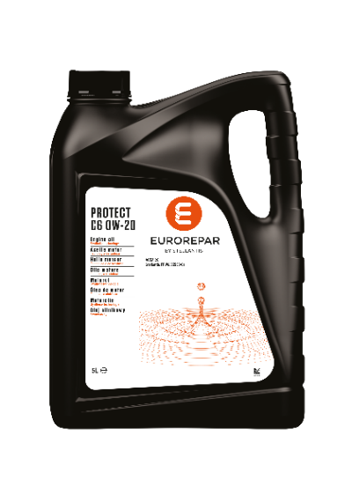 EUROREPAR PROTECT C6 | 0W20 | 1 | 6503212780 | C6 | - | FPW9.55535/01 | - | - | - | - | - | - | - | - | - | PSA B71 2010 FIAT 9.55535-DM1/DSX/GSX | 1690618380 | 1690618880
 |  | 5 | 6503212880 | C6 | - | FPW9.55535/01 | - | - | - | - | - | - | - | - | - | PSA B71 2010 FIAT 9.55535-DM1/DSX/GSX | 1690618480 | 1690618980
 |  | 20 | 6503212980 | C6 | - | FPW9.55535/01 | - | - | - | - | - | - | - | - | - | PSA B71 2010 FIAT 9.55535-DM1/DSX/GSX | 1690618580 | DFS-only
 |  | 60 | 6503213080 | C6 | - | FPW9.55535/01 | - | - | - | - | - | - | - | - | - | PSA B71 2010 FIAT 9.55535-DM1/DSX/GSX | 1690618680 | 1690619180
 |  | 208 | 6503213180 | C6 | - | FPW9.55535/01 | - | - | - | - | - | - | - | - | - | PSA B71 2010 FIAT 9.55535-DM1/DSX/GSX | 1690618780 | 1690619280
EUROREPAR PROTECT OV | 0W20 | 5 | 6503213280 | C5 | SP | - | OV 040 1547 A20 | - | - | 229.71 | - | RBS0-2AE | WSS-M2C954-A1 | - | TOYOTA | - | 1690687980 | 1690688380
 |  | 20 | 6503213380 | C5 | SP | - | OV 040 1547 A20 | - | - | 229.71 | - | RBS0-2AE | WSS-M2C954-A1 |  | TOYOTA | - | 1690688080 | DFS-only
 |  | 60 | 6503213480 | C5 | SP | - | OV 040 1547 A20 | - | - | 229.71 | - | RBS0-2AE | WSS-M2C954-A1 |  | TOYOTA | - | 1690688180 | 1690688580
 |  | 208 | 6503213580 | C5 | SP | - | OV 040 1547 A20 | - | - | 229.71 | - | RBS0-2AE | WSS-M2C954-A1 |  | TOYOTA | - | 1690688280 | 1690688680

Huile de boite
Huile de boite

Produit | Grade | Volume | REFERENCES | API | Approval | Ms* STELLANTIS | Ms* GM | Ms* Asin Warner | Ms* JWS | Ms* LT | Ms* JASO | OLD DFS REFERENCE | OLD STOCKED REFERENCE
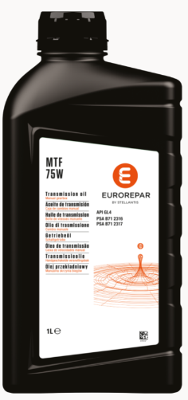 MTF 75W | 75W | 1 | 6503214380 | GL4 | PSA B71 2316 PSA B71 2317 | - |  | - | - | - |  | 1635511280 | 1635511180
 |  | 60 | 6503214480 | GL4 | PSA B71 2316 PSA B71 2317 | - |  | - | - | - |  | 1690919780 | 1691390680
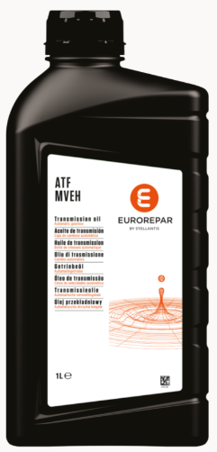 ATF MVeh |  | 1 | 6503214280 | - | Dexron VI | PSA AL4 | Dexron IIIG Dexron IIIH | AW-1 | JWS 3324 JWS 3309 | LT71141 | JASO M315 1A JASO M315 1A-LV JASO M315 2A | 1690920580 | 1690921180

